PRACTICAL-1
Data Validation : Data validation in Excel is a technique that restricts user input in a worksheet. It is often used to limit user entry.

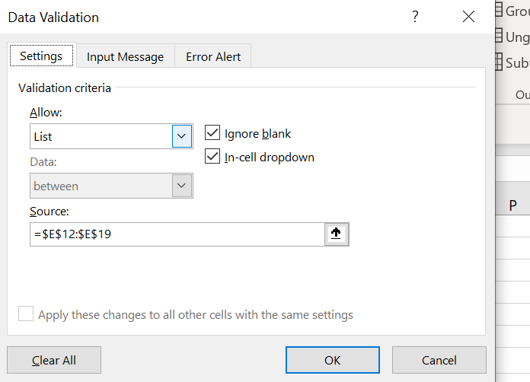
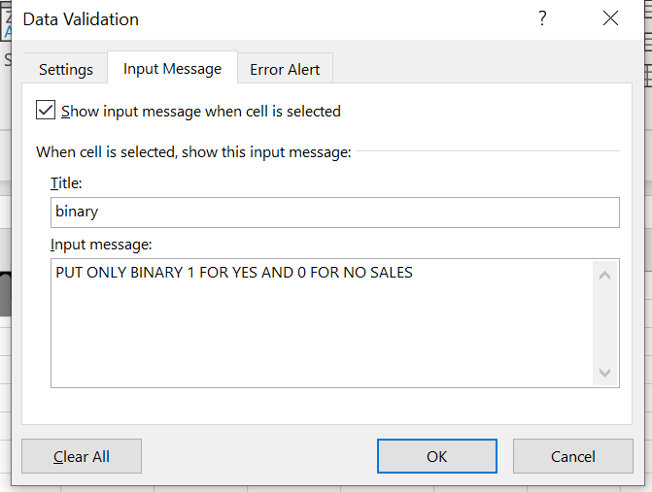
 |  |  |  |  | STEP-1 |  | STEP-2
Creating Drop -Down List.

I-D | City | Sales | Binary
1 | Delhi | N-A | 0
2 | Mumbai | Available | 1
3 | Karnatka | N-A | 0
4 | H.P | Available | 1
5 | UTT | N-A | 0
6 | UP | Available | 1
7 | Tamil Nadu | N-A | 0
8 | Bihar | Available | 1

3.Advance conditional Formatting

 |  |  |  |  |  |  |  | t

ROLL-NO | NAMES | MARKS |  | mark down
1 | RAHUL | 100 |  | SHEELA
2 | SHEELA | 20
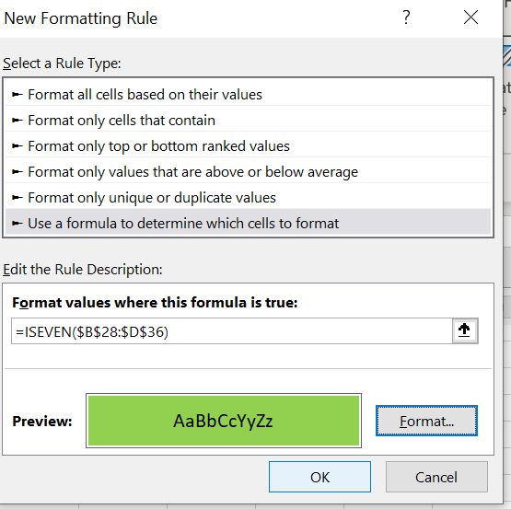
3 | DIMPLE | 40 |  | STEP-1 |  | STEP-2 |  | STEP-3
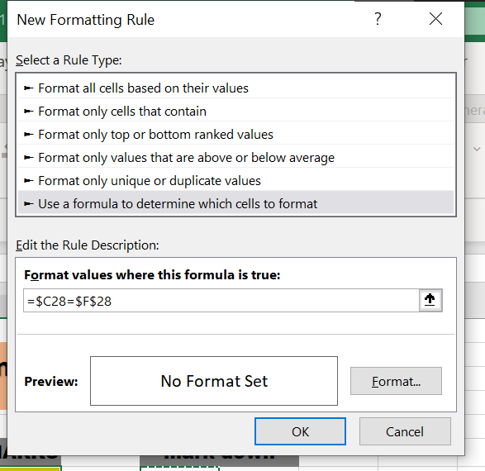
4 | TANISH | 55
5 | KESHAV | 67
6 | BROCK | 89
7 | HATIM | 76
8 | DEEPAK | 45
9 | HITESH | 32
10 | RAHUL | 97
12 | SHEELA | 89
13 | TANISH | 43

4.ISERROR FUCTION()

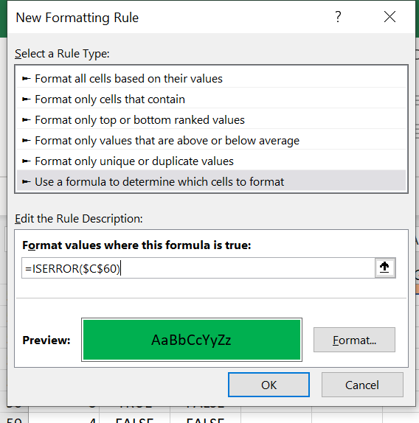

S.NO | VALUES | ISERROR
1 | TRUE | FALSE
2 | FALES | FALSE
3 | TRUE | FALSE
4 | FALSE | FALSE
5 | #NAME? | TRUE

PRACTICAL-2
Logical Function : "Logical functions in Excel are built-in functions that allow you to test and evaluate logical conditions, returning either TRUE or FALSE based on the outcome of the condition."

IF FUNCTION()
SR.N | NAME | POST | SALARY | LOGIC
1 | RAHUL | TYPIST | 35000 | NICE SALARY | HERE WE USE IF FUCTION ON SALARY IF SALARY IS BELOW 30000 ITS PRINT NEED TO IMPROVE YOUR SKILLS
2 | KUMAR | DA | 40000 | NICE SALARY
3 | SHAVAN | DS | 50000 | NICE SALARY
4 | TEELA | HR | 10000 | NEED TO IMPROVE YOUR SKILLS
5 | DEEPAK | MBA | 1200 | NEED TO IMPROVE YOUR SKILLS
6 | SHIWANI | SPEAKER | 1333 | NEED TO IMPROVE YOUR SKILLS
7 | DEVI | TESTER | 22333 | NEED TO IMPROVE YOUR SKILLS
8 | TREE | WATCHER | 44555 | NICE SALARY
9 | MANISH | TELLO | 35566 | NICE SALARY
10 | TANISH | OPO | 3344 | NEED TO IMPROVE YOUR SKILLS

AND FUNCTION()
ENGLISH | HINDI | PASS/FAIL | RESLT
70 | 70 | TRUE | PASS | RED AREA SHOW TRUE FOR PASSING THE BOTH EXAM
50 | 50 | TRUE | PASS
80 | 20 | FALSE | FAIL
60 | 44 | TRUE | PASS
50 | 39 | TRUE | PASS

IFERROR ()

QUANTITY | PRICE | TOTAL
2 | 100 | 200
34 | 6 | 204
5 | 6 | 30
6 | 45 | 270
6 | 3000 | 18000
4 | 766 | 3064
5 | 5 | 25
6 | 4443 | 26658
0 | 433 | 0
0 | F34545 | ERROR OCCURRED
7 | 666 | 4662

PRACTICAL-3
INTRODUCTION OF LOOKUPS

1.VLOOKUP FUNCTION()

Employee ID | Last Name | First Name | Pay |  |  |  |  | Employee ID | Pay
110608 | SHARMA | RAHUL | $4,546 |  |  |  |  | 990678 | $45,000
253072 | SHARMA | AMAN | $4,354,543 |  |  |  |  | 830385 | $500,000
352711 | SHARMA | ANISH | $455 |  |  |  |  | 795574 | $666,666
391006 | SHARMA | TANISH | $4,524,452 |  |  |  |  | 580622 | $2,433,432
392128 | SHARMA | VIKRAM | $45,424 |  |  |  |  | 549457 | $34,234
549457 | SHARMA | DEEPAK | #N/A |  |  |  |  | 392128 | $45,424
580622 | SHARMA | ADARSH | #N/A |  |  |  |  | 391006 | $4,524,452
602693 | SINGH | FOOLL | $664 |  |  |  |  | 352711 | $455
611810 | SHARMA | LOOP | $34,543 |  |  |  |  | 253072 | $4,354,543
612235 | SHARMA | TULI | $5,435 |  |  |  |  | 612235 | $5,435
795574 | SHARMA | KARTILK | #N/A |  |  |  |  | 611810 | $34,543
830385 | SHARMA | PREET | #N/A |  |  |  |  | 602693 | $664
990678 | SHARMA | BIHARI | #N/A |  |  |  |  | 110608 | $4,546

2.HLOOKUP FUNCTION ()
Employee ID |  | 101 | 102 | 103 | 104 | 105 | 106 | 107 | 108 | 109 | 110
Employee Name |  | RAHUL | ANISH | AMAN | TANISH | MOLI | TAPSITE | KV | APS | DESI BALAK | MOHAN
Department |  | HR | CA | CS | HR | IT | CA | FINANCE | JOURNALISM | REOTER | SPORTSMAN
Salary |  | 50000 | 55000 | 60000 | 65000 | 70000 | 75000 | 80000 | 85000 | 90000 | 95000
Bonus |  | 2000 | 2500 | 3000 | 3500 | 4000 | 4500 | 5000 | 5500 | 6000 | 6500
Total Pay |  | 52000 | 57500 | 63000 | 685000 | 74000 | 79500 | 85000 | 90500 | 96000 | 101500

Answer

Employee id | names
101 | RAHUL

3.XLOOKUP FUNCTION()
Age | Name
13 | JATIN
33 | MONY |  |  |  | NAME | DEEPKA
44 | KARTIK |  |  |  | AGE | 53
53 | DEEPKA
60 | TANISH
21 | ANISH

4.MATCH ()
TOP PRODUCTS |  | TOP PRODUCT | POSTION
MOBILE |  | CAMERA | 2
CAMERA
WATCHES
SHOES

PRACTICAL-4

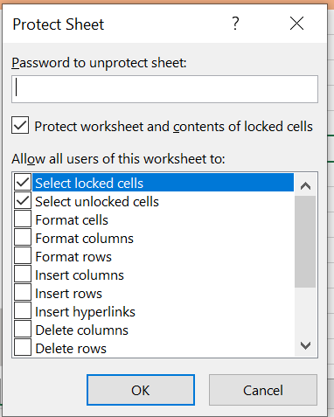
Working with Formulas :

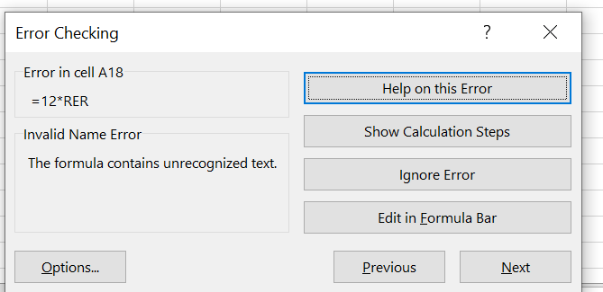
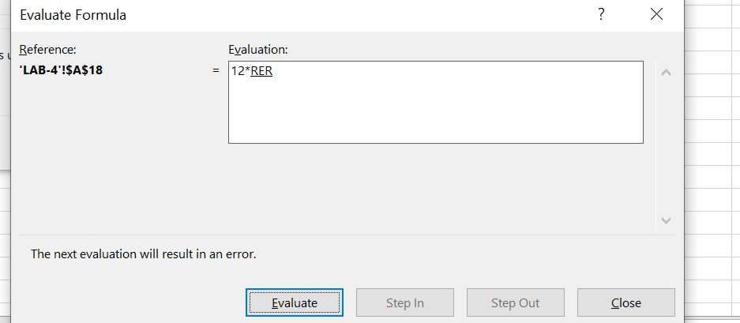
ERROR CHECK

ERROR
#NAME?
#NAME?
#NAME?
#NAME?

2. Formula Calculation Option

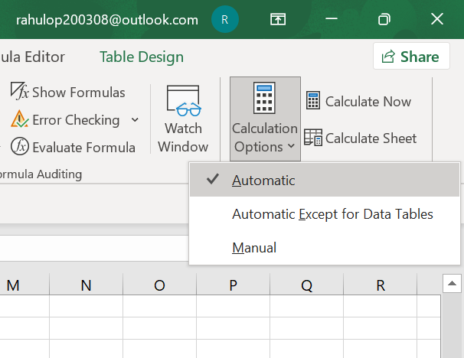
First Name | Employee ID | Pay
RAHUL | 990678 | $45,000
AMAN | 830385 | $500,000
ANISH | 795574 | $666,666
TANISH | 580622 | $2,433,432
VIKRAM | 549457 | $34,234
DEEPAK | 392128 | $45,424
ADARSH | 391006 | $4,524,452
FOOLL | 352711 | $455
LOOP | 253072 | $4,354,543
TULI | 612235 | $5,435
KARTILK | 611810 | $34,543
PREET | 602693 | $664
BIHARI | 110608 | $4,546

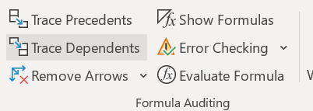
3. TRACE PRECEDENTS & TRACE DEPENDENTS
 |  |  |  |  | Column1 | Column2 | Column3 | Column4
 |  |  |  |  | 10
Column1 | Column2 | Column3 | Column4 | Column5 |  |  | PRODUCT
10 | 20 | 30 | 40 | 50 |  | 5 | 50
 |  |  |  |  |  | 6 | 60
 |  |  |  |  |  | 7 | 70
TOTAL | 150 |  |  |  |  | 8 | 80
 |  |  |  |  |  | 9 | 90
TRACE PRECEDENT |  |  |  |  |  | 10 | 100

4. Evaluate Formula

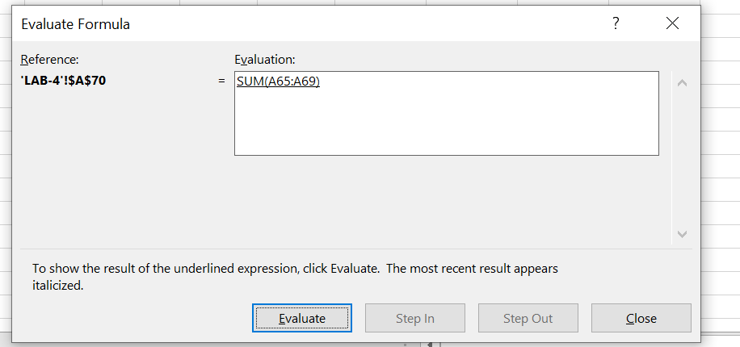
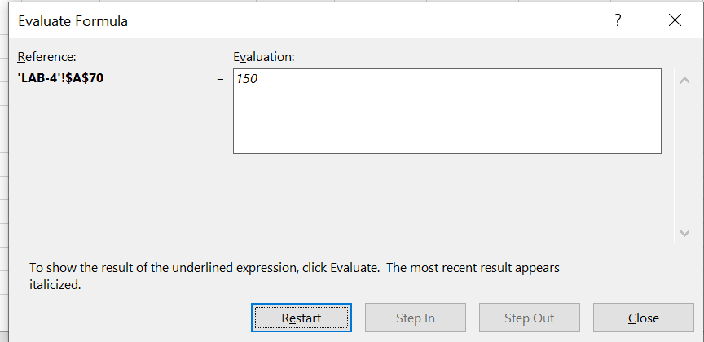
MARKS
10
20
30
40
50
150 | TOTAL

5. Watch Window

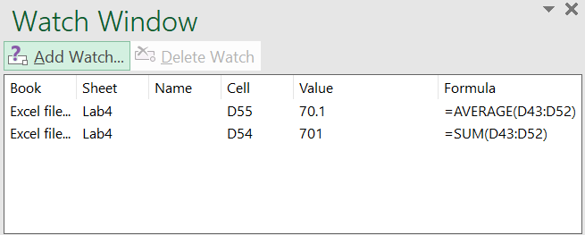
MARKS
10
20
30
40
50
150 | TOTAL

6. Protecting Workbook and Worksheet

PRACTICAL-5
Modelling Functions :

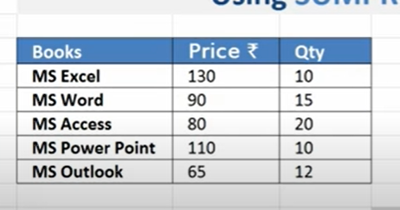
1. Sumproduct

BOOKS | PRICE | OTY
MS EXCEL | 130 | 10
MS WORD | 90 | 15
MS ACCES | 80 | 20
MS POWER | 110 | 10
PS 4 | 65 | 12

 | TOTAL PRICE |  | 6130

2. GoalSeek

PRINCIPAL AMOUNT | -2.2329525759 |  |  |  | OUR TARGET IS 40%
DURATION IN YEAR | 7
RATE OF INTEREST | 6%
 | $0.40

4.SOLVER

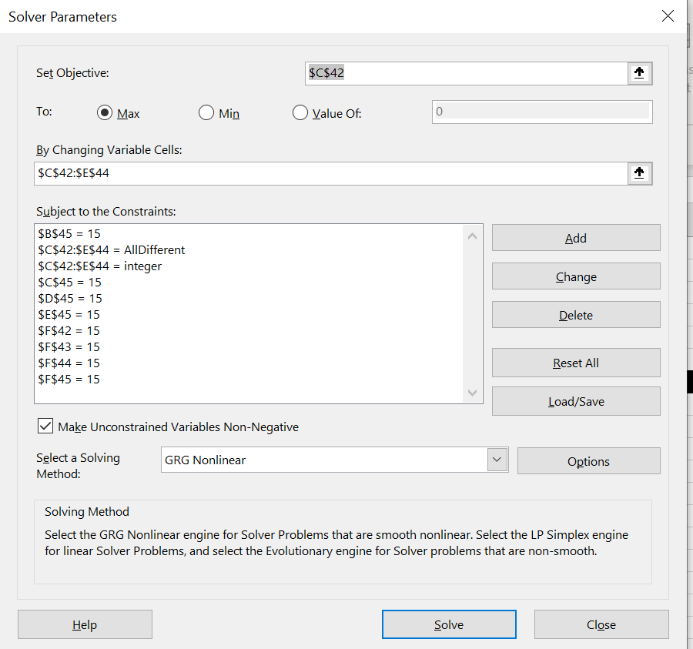
SUDUKO WITH SOLVER |  | 8 | 3 | 4 | 15
 |  | 1 | 5 | 9 | 15
 |  | 6 | 7 | 2 | 15
 | 15 | 15 | 15 | 15 | 15

PRACTICAL-6
Working with Macros :

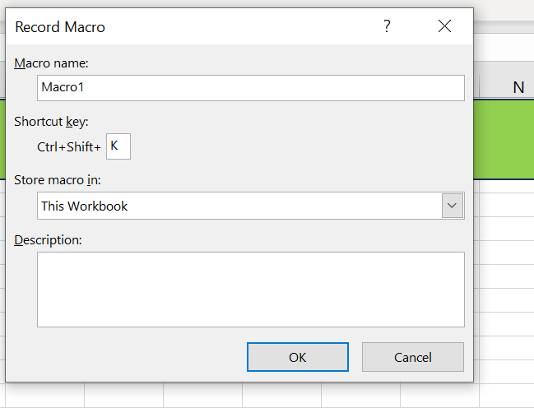

SUM | MAX | MIN
22 | 34 | 3
3 | 434 | 43
34 | 3 | 434
34 | 3 | 3
5 | 434 | 34
3434 |  | 34
43443 | 3456 | 76
46975 | 3456 | 3

PRACTICAL-7
Spreadsheet Design :

SNO | 2.Gender | 3. Year of Study | 4. Branch | 1. Type of Schooling till 10th Grade: | 2. Percentage in Class 10th? | 3. Location of Class 10th School: | 4. Type of Schooling for class 12th: | 5. Percentage in Class 12th? | 6. Location of Class 12th School:
1 | Female | Second | CSIT | Schooling with Tuitions | >= 90% | City | Schooling with Tuitions | >=90% | City
2 | Male | Second | CSIT | Normal Schooling | >= 90% | City | Coaching Based Schools | >=90% | City
3 | Male | Second | CSIT | Normal Schooling | >=70% and <80% | City | Normal Schooling | >=80% and <90% | City
4 | Male | Second | CSIT | Normal Schooling | >=70% and <80% | City | Normal Schooling | >=80% and <90% | City
5 | Male | Second | CSIT | Normal Schooling | >= 90% | Town | Normal Schooling | >=90% | Town
6 | Female | Second | CSIT | Schooling with Tuitions | >=80% and <90% | Town | Schooling with Tuitions | >=90% | Town
7 | Male | Second | CSIT | Normal Schooling | >= 90% | City | Normal Schooling | >=80% and <90% | City
8 | Male | Second | CSE | Normal Schooling | <60% | Village | Distance learning | >=60% and <70% | Village
9 | Male | Second | IT | Schooling with Tuitions | >= 90% | Town | Schooling with Tuitions | >=90% | Town
10 | Female | Second | CSE | Normal Schooling | >= 90% | City | Coaching Based Schools | >=80% and <90% | City
11 | Female | Second | CSE | Schooling with Tuitions | >= 90% | Town | Schooling with Tuitions | >=90% | Town
12 | Female | Second | CSIT | Normal Schooling | >=80% and <90% | Town | Normal Schooling | >=90% | City
13 | Male | Second | CSIT | Normal Schooling | >=80% and <90% | City | Schooling with Tuitions | >=80% and <90% | City
14 | Male | Second | CSE | Normal Schooling | >=80% and <90% | City | Normal Schooling | >=90% | City
15 | Female | Second | CSE | Normal Schooling | >= 90% | Town | Schooling with Tuitions | >=80% and <90% | Town
16 | Male | Second | CS | Normal Schooling | >=80% and <90% | Village | Normal Schooling | >=80% and <90% | Village
17 | Female | Second | CSE | Schooling with Tuitions | >=80% and <90% | City | Schooling with Tuitions | >=90% | City
18 | Male | Second | CSE | Normal Schooling | >= 90% | City | Normal Schooling | >=90% | City
19 | Female | Second | IT | Schooling with Tuitions | >=70% and <80% | Village | Schooling with Tuitions | >=80% and <90% | Town
20 | Male | Second | IT | Normal Schooling | >=80% and <90% | City | Normal Schooling | >=80% and <90% | City
21 | Female | Second | CSE | Normal Schooling | >= 90% | Town | Schooling with Tuitions | >=90% | City
22 | Male | Second | ECE | Schooling with Tuitions | >=80% and <90% | City | Schooling with Tuitions | >=90% | City
23 | Male | Second | CSE | Schooling with Tuitions | >=80% and <90% | Village | Schooling with Tuitions | >=70% and <80% | Village
24 | Male | Second | CSE | Normal Schooling | >=80% and <90% | Town | Normal Schooling | >=80% and <90% | Town
25 | Male | Second | CSIT | Normal Schooling | >= 90% | Town | Normal Schooling | >=80% and <90% | Town

PRACTICAL-8
USING SUM,AVERAGE,COUNT,SUMIF,COUNTIF,AVERAGE IF,aggregate fuction

Product ID | Region | Cost pet Unit | No. of units | Total Cost | Discount | Sales
1 | East | ₹ 50 | 2 | ₹100 | 0.05 | ₹ 95
2 | West | ₹ 70 | 3 | ₹210 | 0.05 | ₹ 200
3 | South | ₹ 10 | 5 | ₹50 | 0.05 | ₹ 48
4 | East | ₹ 40 | 2 | ₹80 | 0.05 | ₹ 76
5 | West | ₹ 15 | 4 | ₹60 | 0.05 | ₹ 57
6 | South | ₹ 10 | 1 | ₹10 | 0.05 | ₹ 10
7 | East | ₹ 30 | 3 | ₹90 | 0.05 | ₹ 86
8 | East | ₹ 35 | 5 | ₹175 | 0.05 | ₹ 166
9 | South | ₹ 84 | 5 | ₹420 | 0.05 | ₹ 399
10 | East | ₹ 82 | 6 | ₹492 | 0.05 | ₹ 467
11 | West | ₹ 66 | 7 | ₹462 | 0.05 | ₹ 439
12 | North | ₹ 21 | 3 | ₹63 | 0.05 | ₹ 60
13 | West | ₹ 32 | 5 | ₹160 | 0.05 | ₹ 152
14 | North | ₹ 34 | 6 | ₹204 | 0.05 | ₹ 194

Sum | ₹ 2,447
Average | 174.8
Count | 14
SumIF | 847.4 | SUM OF SALES OF WEST REGION
AverageIF | 211.85 | AVERAGE OF SALES OF WEST REGION
CountIF | 4 | COUNT OF WEST REGION

PRACTICAL-10
Working with Dates :

Date 1 | 2023-10-30 | EOMONTH | 45596
Date 2 | 2005-10-30 | EDATE | 39020
 |  | WORKDAY.INTL | #VALUE!

Financial Functions :

Loan Repayment Calculation

Loan Principle Amount | 100,000,000.00 | FV |  | ($27,102,436,848.06)

Interest Rate | 10.0% | PV |  | ($964,415,897.26)

Loan Period in Years | 24.00 | PMT |  | ($10,368,970.51)

NPER | 35 | NPV |  | $90,909,090.91

Depriciation Function :

ASSET COST | 1000000 | SLN |  | $247,734.00

RESELL COST | 256798 | SYD |  | $247,734.00

LIFE | 3 | DDB |  | $76,535.33

